Hiearchy View
CLASS: STEAM TRAP
a type of automatic valve that filters out condensate (i.e. condensed steam) and non-condensable gases such as air without letting steam escape |  | 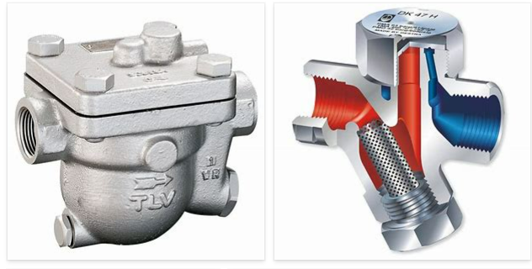
REMOVE | N

PROBLEM_DESC | CAUSE_DESC | REMEDY_DESC
BROKEN/DAMAGED
LEAKING
NOISE
OTHER PROBLEM
OVERHEATING
PRESSURE
STOPPED/SLOWED/POOR OPS
TEMP-CTRL
VIBRATION
Grand Total

